Index
IMF FAD Digital Infrastructure Costing Estimator (DICE)
Developed by George Mason University and the Fiscal Affairs Department (FAD), International Monetary Fund (IMF)



Contact: Edward Oughton (eoughton@gmu.edu); David Amaglobeli (damaglobeli@imf.org); Mariano Moszoro (mmoszoro@imf.org).

Capabilities/Uses:
- Supporting high-level decisions pertaining to universal broadband investment by capturing the main cost drivers which affect the deployment of broadband infrastructure.
- Breaking down investment by specific country income groups and regions.

Caveats to using DICE:
- DICE is not a replacement for detailed country-specific modeling. The aim is to provide comparative understanding across all countries globally.
- DICE is not an exact measurement tool. Accuracy and precision are commensurate with being able to make global cross-country comparisons.
- DICE is not a stand-alone policy option tool. If deep subject matter exertise are required, country teams should reach out to the DICE development team at GMU and the IMF (eoughton@gmu.edu; damaglobeli@imf.org; mmoszoro@imf.org).

Main Datasets:
WorldPop 2020 Unconstrained 1km Global Mosaic, UN Population Forecasts 2020-2030, IMF GDP Projections 2020-2030

Reference:
- Working Paper Citation TBC.

Read_Me
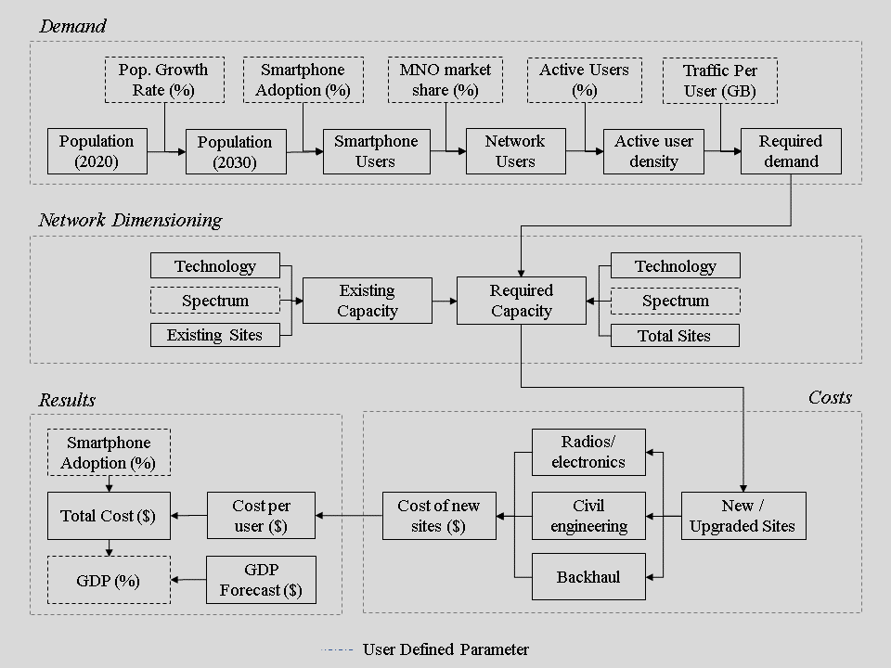
Read Me

 | Overview
 | - This tool provides investment analytics for achieving universal mobile broadband (SDG Target 9c).
 | - DICE complements the IMF’s other SDG infrastructure costing tools, covering roads, electricity, and water and sanitation.

 | Approach
 | - Comparative country-specific investment needs can be estimated to achieve universal broadband connectivity using 4G.
 | - The focus is on wireless cellular connectivity as this is one of the cheapest ways to provide wide-area broadband services affordably.
 | - The level of universal broadband can be specified by the DICE user, based on either a minimum speed or monthly data consumption.
 | - DICE estimates account for demographic forecast trends, population density, and economic characteristics.

 | The DICE Method

Country_Context
Population by Density Decile
Area by Density Decile

Population Density by Density Decile
Population Growth Forecast

Country_Costs
Total Cost by Country
Mean Annual 10-Year GDP by Country

Initial Investment by Country
GDP Share by Country

Income_Group_Costs
Total Cost by Income Group
Mean Annual 10-Year GDP by Income Group

Initial Investment by Income Group
GDP Share by Income Group

Regional_Costs
Total Cost by Region
Mean Annual 10-Year GDP by Region

Initial Investment by Region
GDP Share by Region

